C1.1
Back to contents
 | Chart 1.1: Borrowing across advanced economies, and UK government debt
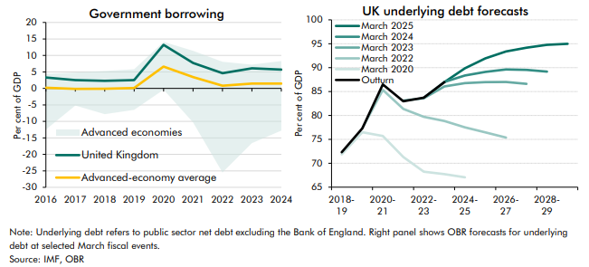

 | Government borrowing | 2016 | 2017 | 2018 | 2019 | 2020 | 2021 | 2022 | 2023 | 2024
 | United Kingdom | 3.3 | 2.5 | 2.3 | 2.5 | 13.2 | 7.7 | 4.6 | 6.1 | 5.7
 | Advanced-economy average | 0.2 | -0.1 | -0.1 | 0.1 | 6.6 | 3.4 | 0.8 | 1.5 | 1.5
 | Advanced economies minimum | -12.5 | -5.2 | -7.8 | -6.5 | -0.4 | -10.3 | -25.5 | -16.6 | -12.8
 | Advanced economies maximum | 4.4 | 4.8 | 5.3 | 5.8 | 14.1 | 11.4 | 8.1 | 7.2 | 8.3

 | UK underlying debt forecasts | 2018-19 | 2019-20 | 2020-21 | 2021-22 | 2022-23 | 2023-24 | 2024-25 | 2025-26 | 2026-27 | 2027-28 | 2028-29 | 2029-30
 | March 2020 forecast | 71.8 | 76.5 | 75.7 | 71.3 | 68.2 | 67.7 | 67.1
 | March 2022 forecast |  | 77.3 | 85.4 | 81.4 | 79.7 | 78.9 | 77.5 | 76.5 | 75.4
 | March 2023 forecast |  |  |  | 83.1 | 83.6 | 86.1 | 86.8 | 87.0 | 87.0 | 86.6
 | March 2024 forecast |  |  |  |  | 83.7 | 87.0 | 88.4 | 89.1 | 89.6 | 89.5 | 89.2
 | March 2025 forecast |  |  |  |  |  | 87.0 | 89.9 | 92.0 | 93.4 | 94.2 | 94.8 | 95.0
 | Outturn | 72.3 | 77.3 | 86.5 | 83.0 | 83.7 | 87.0

C1.2
Back to contents
 | Chart 1.2: Scenarios for state pension spending as a share of GDP
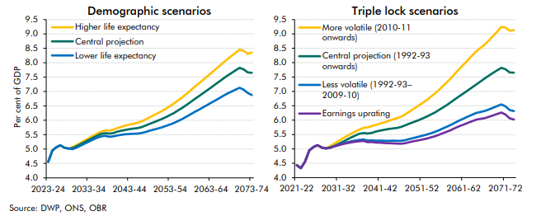

 | Demographic scenarios | 2023-24 | 2024-25 | 2025-26 | 2026-27 | 2027-28 | 2028-29 | 2029-30 | 2030-31 | 2031-32 | 2032-33 | 2033-34 | 2034-35 | 2035-36 | 2036-37 | 2037-38 | 2038-39 | 2039-40 | 2040-41 | 2041-42 | 2042-43 | 2043-44 | 2044-45 | 2045-46 | 2046-47 | 2047-48 | 2048-49 | 2049-50 | 2050-51 | 2051-52 | 2052-53 | 2053-54 | 2054-55 | 2055-56 | 2056-57 | 2057-58 | 2058-59 | 2059-60 | 2060-61 | 2061-62 | 2062-63 | 2063-64 | 2064-65 | 2065-66 | 2066-67 | 2067-68 | 2068-69 | 2069-70 | 2070-71 | 2071-72 | 2072-73 | 2073-74
 | Central projection | 4.6 | 4.9 | 5.1 | 5.1 | 5.0 | 5.0 | 5.0 | 5.1 | 5.2 | 5.2 | 5.3 | 5.4 | 5.5 | 5.5 | 5.6 | 5.5 | 5.6 | 5.6 | 5.6 | 5.7 | 5.7 | 5.7 | 5.7 | 5.8 | 5.8 | 5.9 | 5.9 | 6.0 | 6.0 | 6.1 | 6.2 | 6.3 | 6.3 | 6.4 | 6.5 | 6.6 | 6.7 | 6.8 | 6.9 | 7.0 | 7.1 | 7.2 | 7.3 | 7.4 | 7.5 | 7.6 | 7.7 | 7.8 | 7.8 | 7.7 | 7.7
 | Higher life expectancy | 4.6 | 4.9 | 5.1 | 5.1 | 5.0 | 5.0 | 5.1 | 5.1 | 5.2 | 5.3 | 5.4 | 5.5 | 5.5 | 5.6 | 5.6 | 5.6 | 5.7 | 5.7 | 5.8 | 5.8 | 5.9 | 5.9 | 5.9 | 6.0 | 6.0 | 6.1 | 6.2 | 6.2 | 6.3 | 6.4 | 6.5 | 6.6 | 6.7 | 6.8 | 6.9 | 7.0 | 7.2 | 7.3 | 7.4 | 7.5 | 7.6 | 7.8 | 7.9 | 8.0 | 8.1 | 8.2 | 8.3 | 8.5 | 8.4 | 8.3 | 8.4
 | Lower life expectancy | 4.6 | 4.9 | 5.1 | 5.1 | 5.0 | 5.0 | 5.0 | 5.1 | 5.1 | 5.2 | 5.3 | 5.3 | 5.4 | 5.4 | 5.5 | 5.4 | 5.4 | 5.5 | 5.5 | 5.5 | 5.5 | 5.5 | 5.5 | 5.6 | 5.6 | 5.6 | 5.7 | 5.7 | 5.8 | 5.8 | 5.9 | 5.9 | 6.0 | 6.1 | 6.1 | 6.2 | 6.3 | 6.4 | 6.4 | 6.5 | 6.6 | 6.7 | 6.8 | 6.8 | 6.9 | 7.0 | 7.1 | 7.1 | 7.1 | 7.0 | 6.9

 | Triple lock scenarios | 2021-22 | 2022-23 | 2023-24 | 2024-25 | 2025-26 | 2026-27 | 2027-28 | 2028-29 | 2029-30 | 2030-31 | 2031-32 | 2032-33 | 2033-34 | 2034-35 | 2035-36 | 2036-37 | 2037-38 | 2038-39 | 2039-40 | 2040-41 | 2041-42 | 2042-43 | 2043-44 | 2044-45 | 2045-46 | 2046-47 | 2047-48 | 2048-49 | 2049-50 | 2050-51 | 2051-52 | 2052-53 | 2053-54 | 2054-55 | 2055-56 | 2056-57 | 2057-58 | 2058-59 | 2059-60 | 2060-61 | 2061-62 | 2062-63 | 2063-64 | 2064-65 | 2065-66 | 2066-67 | 2067-68 | 2068-69 | 2069-70 | 2070-71 | 2071-72 | 2072-73 | 2073-74
 | Central projection (1992-93 onwards) | 4.4 | 4.3 | 4.6 | 4.9 | 5.1 | 5.1 | 5.0 | 5.0 | 5.0 | 5.1 | 5.2 | 5.2 | 5.3 | 5.4 | 5.5 | 5.5 | 5.6 | 5.5 | 5.6 | 5.6 | 5.6 | 5.7 | 5.7 | 5.7 | 5.7 | 5.8 | 5.8 | 5.9 | 5.9 | 6.0 | 6.0 | 6.1 | 6.2 | 6.3 | 6.3 | 6.4 | 6.5 | 6.6 | 6.7 | 6.8 | 6.9 | 7.0 | 7.1 | 7.2 | 7.3 | 7.4 | 7.5 | 7.6 | 7.7 | 7.8 | 7.8 | 7.7 | 7.7
 | More volatile (2010-11 onwards) | 4.4 | 4.3 | 4.6 | 4.9 | 5.1 | 5.1 | 5.0 | 5.0 | 5.1 | 5.2 | 5.3 | 5.4 | 5.4 | 5.5 | 5.6 | 5.7 | 5.7 | 5.7 | 5.8 | 5.8 | 5.9 | 5.9 | 6.0 | 6.0 | 6.1 | 6.1 | 6.2 | 6.3 | 6.4 | 6.5 | 6.6 | 6.7 | 6.8 | 6.9 | 7.0 | 7.2 | 7.3 | 7.5 | 7.6 | 7.8 | 7.9 | 8.1 | 8.2 | 8.4 | 8.5 | 8.6 | 8.8 | 8.9 | 9.1 | 9.2 | 9.2 | 9.1 | 9.1
 | Less volatile (1992-93–2009-10) | 4.4 | 4.3 | 4.6 | 4.9 | 5.1 | 5.1 | 5.0 | 5.0 | 5.1 | 5.1 | 5.1 | 5.2 | 5.2 | 5.3 | 5.3 | 5.3 | 5.3 | 5.3 | 5.3 | 5.3 | 5.3 | 5.3 | 5.3 | 5.3 | 5.3 | 5.3 | 5.3 | 5.3 | 5.4 | 5.4 | 5.5 | 5.5 | 5.5 | 5.6 | 5.6 | 5.7 | 5.8 | 5.8 | 5.9 | 6.0 | 6.1 | 6.1 | 6.2 | 6.2 | 6.3 | 6.3 | 6.4 | 6.4 | 6.5 | 6.5 | 6.5 | 6.4 | 6.3
 | Earnings uprating | 4.4 | 4.3 | 4.6 | 4.9 | 5.1 | 5.1 | 5.0 | 5.0 | 5.0 | 5.1 | 5.1 | 5.2 | 5.2 | 5.2 | 5.2 | 5.3 | 5.3 | 5.2 | 5.2 | 5.2 | 5.2 | 5.2 | 5.2 | 5.2 | 5.2 | 5.2 | 5.2 | 5.2 | 5.3 | 5.3 | 5.3 | 5.4 | 5.4 | 5.4 | 5.5 | 5.5 | 5.6 | 5.7 | 5.7 | 5.8 | 5.8 | 5.9 | 6.0 | 6.0 | 6.0 | 6.1 | 6.1 | 6.2 | 6.2 | 6.3 | 6.2 | 6.1 | 6.0

C1.3
Back to contents
 | Chart 1.3: Gilt holdings by sector
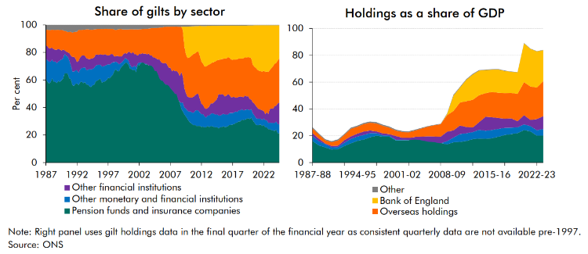

 | Share by sector |  |  |  |  |  |  | Share of NGDP
 |  | Pension funds and insurance companies | Other monetary and financial institutions | Overseas holdings | Bank of England | Other financial institutions | Other |  | Pension funds and insurance companies | Monetary financial institutions | Overseas holdings | Bank of England | Other financial institutions | Other | Total
 | 1987 Q1 | 60.9 | 14.4 | 11.2 | 0.0 | 10.0 | 3.5 | 1987-88 | 16.1 | 3.6 | 3.5 | 0.0 | 2.3 | 0.9 | 26.4
 | 1987 Q2 | 58.7 | 15.5 | 12.0 | 0.0 | 10.2 | 3.5 | 1988-89 | 12.9 | 3.1 | 3.0 | 0.0 | 2.0 | 0.8 | 21.7
 | 1987 Q3 | 57.5 | 15.8 | 13.3 | 0.0 | 9.6 | 3.8 | 1989-90 | 11.3 | 2.5 | 2.4 | 0.0 | 0.5 | 0.8 | 17.5
 | 1987 Q4 | 58.5 | 14.9 | 13.2 | 0.0 | 9.7 | 3.8 | 1990-91 | 9.7 | 1.7 | 2.8 | 0.0 | 1.1 | 0.8 | 16.0
 | 1988 Q1 | 61.0 | 13.6 | 13.1 | 0.0 | 8.8 | 3.4 | 1991-92 | 10.0 | 1.6 | 3.9 | 0.0 | 1.0 | 0.9 | 17.4
 | 1988 Q2 | 58.9 | 14.3 | 14.0 | 0.0 | 9.2 | 3.7 | 1992-93 | 12.4 | 2.4 | 4.0 | 0.0 | 1.9 | 0.7 | 21.5
 | 1988 Q3 | 58.7 | 14.9 | 14.2 | 0.0 | 8.4 | 3.7 | 1993-94 | 14.4 | 3.3 | 5.6 | 0.0 | 1.9 | 0.9 | 26.0
 | 1988 Q4 | 57.7 | 14.5 | 14.4 | 0.0 | 9.8 | 3.6 | 1994-95 | 16.2 | 3.2 | 5.1 | 0.0 | 2.2 | 0.9 | 27.5
 | 1989 Q1 | 59.3 | 14.1 | 14.0 | 0.0 | 9.1 | 3.5 | 1995-96 | 17.2 | 3.5 | 5.5 | 0.0 | 2.5 | 0.9 | 29.6
 | 1989 Q2 | 58.5 | 15.5 | 14.1 | 0.0 | 8.1 | 3.8 | 1996-97 | 18.9 | 3.0 | 5.9 | 0.0 | 1.9 | 0.9 | 30.7
 | 1989 Q3 | 59.6 | 15.3 | 15.0 | 0.0 | 6.4 | 3.7 | 1997-98 | 20.1 | 1.9 | 5.9 | 0.0 | 1.3 | 1.0 | 30.2
 | 1989 Q4 | 60.9 | 14.7 | 14.0 | 0.0 | 6.5 | 3.9 | 1998-99 | 19.4 | 1.0 | 5.6 | 0.0 | 1.4 | 0.9 | 28.3
 | 1990 Q1 | 64.9 | 14.1 | 13.9 | 0.0 | 2.7 | 4.4 | 1999-00 | 19.5 | 0.7 | 4.7 | 0.0 | 1.0 | 0.9 | 26.9
 | 1990 Q2 | 64.9 | 12.6 | 14.6 | 0.0 | 3.2 | 4.7 | 2000-01 | 16.5 | 0.6 | 4.1 | 0.0 | 2.7 | 0.8 | 24.6
 | 1990 Q3 | 64.8 | 12.4 | 14.8 | 0.0 | 2.8 | 5.2 | 2001-02 | 16.6 | 0.5 | 4.2 | 0.0 | 1.5 | 0.7 | 23.5
 | 1990 Q4 | 61.2 | 13.0 | 15.3 | 0.0 | 5.5 | 5.0 | 2002-03 | 16.6 | 0.2 | 4.2 | 0.0 | 1.7 | 0.7 | 23.3
 | 1991 Q1 | 60.5 | 10.3 | 17.3 | 0.0 | 6.8 | 5.0 | 2003-04 | 17.8 | -0.6 | 4.9 | 0.0 | 1.9 | 0.6 | 24.5
 | 1991 Q2 | 56.3 | 9.8 | 17.6 | 0.0 | 10.6 | 5.7 | 2004-05 | 16.9 | -0.3 | 6.0 | 0.0 | 2.8 | 0.5 | 25.9
 | 1991 Q3 | 55.7 | 10.4 | 18.0 | 0.0 | 10.8 | 5.2 | 2005-06 | 16.0 | -0.3 | 7.2 | 0.0 | 3.9 | 0.4 | 27.2
 | 1991 Q4 | 57.0 | 9.8 | 19.3 | 0.0 | 8.8 | 5.0 | 2006-07 | 16.3 | -1.1 | 8.4 | 0.0 | 4.2 | 0.3 | 28.2
 | 1992 Q1 | 57.6 | 9.4 | 22.1 | 0.0 | 5.9 | 5.0 | 2007-08 | 14.6 | -0.2 | 9.4 | 0.0 | 4.9 | 0.3 | 28.9
 | 1992 Q2 | 56.4 | 8.9 | 22.4 | 0.0 | 8.7 | 3.6 | 2008-09 | 13.6 | 2.4 | 12.3 | 0.9 | 7.0 | 0.4 | 36.6
 | 1992 Q3 | 58.3 | 9.3 | 19.9 | 0.0 | 8.7 | 3.7 | 2009-10 | 15.1 | 3.6 | 14.5 | 11.5 | 5.3 | 0.6 | 50.5
 | 1992 Q4 | 58.8 | 9.8 | 18.7 | 0.0 | 9.0 | 3.7 | 2010-11 | 15.4 | 5.8 | 17.2 | 11.1 | 6.4 | 0.5 | 56.4
 | 1993 Q1 | 57.6 | 11.3 | 18.8 | 0.0 | 8.9 | 3.4 | 2011-12 | 16.1 | 5.8 | 19.1 | 16.0 | 4.7 | 0.6 | 62.3
 | 1993 Q2 | 58.5 | 10.7 | 18.9 | 0.0 | 8.4 | 3.5 | 2012-13 | 17.5 | 5.2 | 20.6 | 18.9 | 3.5 | 0.5 | 66.2
 | 1993 Q3 | 56.8 | 10.5 | 21.0 | 0.0 | 8.6 | 3.2 | 2013-14 | 18.0 | 6.5 | 20.1 | 18.2 | 5.7 | 0.5 | 69.0
 | 1993 Q4 | 56.6 | 10.7 | 21.5 | 0.0 | 8.0 | 3.1 | 2014-15 | 17.8 | 5.9 | 17.7 | 17.2 | 10.5 | 0.4 | 69.3
 | 1994 Q1 | 55.4 | 12.5 | 21.5 | 0.0 | 7.2 | 3.4 | 2015-16 | 18.1 | 6.3 | 18.8 | 16.7 | 9.5 | 0.3 | 69.7
 | 1994 Q2 | 54.9 | 12.7 | 21.1 | 0.0 | 7.9 | 3.5 | 2016-17 | 19.3 | 5.8 | 18.8 | 17.4 | 8.1 | 0.3 | 69.8
 | 1994 Q3 | 56.1 | 11.9 | 20.9 | 0.0 | 7.7 | 3.5 | 2017-18 | 20.5 | 5.4 | 19.1 | 16.4 | 6.8 | 0.3 | 68.6
 | 1994 Q4 | 56.4 | 12.3 | 20.4 | 0.0 | 7.6 | 3.2 | 2018-19 | 21.2 | 4.8 | 18.9 | 15.8 | 7.0 | 0.3 | 67.9
 | 1995 Q1 | 58.9 | 11.5 | 18.4 | 0.0 | 8.0 | 3.1 | 2019-20 | 22.0 | 4.2 | 20.3 | 16.1 | 4.6 | 0.2 | 67.5
 | 1995 Q2 | 59.6 | 11.3 | 18.6 | 0.0 | 7.5 | 3.0 | 2020-21 | 24.2 | 4.3 | 24.6 | 29.0 | 6.9 | 0.3 | 89.2
 | 1995 Q3 | 60.2 | 10.8 | 18.6 | 0.0 | 7.3 | 3.1 | 2021-22 | 23.3 | 4.0 | 24.9 | 28.0 | 4.7 | 0.2 | 85.0
 | 1995 Q4 | 60.9 | 10.2 | 18.2 | 0.0 | 7.6 | 3.1 | 2022-23 | 20.2 | 4.0 | 23.5 | 27.0 | 8.3 | 0.2 | 83.1
 | 1996 Q1 | 58.1 | 11.7 | 18.8 | 0.0 | 8.5 | 2.9 | 2023-24 | 20.2 | 4.9 | 26.1 | 23.0 | 9.6 | 0.2 | 84.0
 | 1996 Q2 | 58.7 | 11.2 | 18.7 | 0.0 | 8.3 | 3.0
 | 1996 Q3 | 59.0 | 11.4 | 18.4 | 0.0 | 8.2 | 2.9
 | 1996 Q4 | 59.9 | 11.0 | 19.0 | 0.0 | 7.3 | 2.8
 | 1997 Q1 | 61.6 | 9.9 | 19.3 | 0.0 | 6.2 | 2.9
 | 1997 Q2 | 61.3 | 9.9 | 19.0 | 0.0 | 7.0 | 2.9
 | 1997 Q3 | 62.7 | 9.4 | 18.1 | 0.0 | 6.9 | 2.9
 | 1997 Q4 | 63.8 | 9.1 | 18.3 | 0.0 | 5.8 | 3.0
 | 1998 Q1 | 66.6 | 6.3 | 19.5 | 0.0 | 4.2 | 3.4
 | 1998 Q2 | 67.7 | 5.5 | 19.0 | 0.0 | 4.1 | 3.7
 | 1998 Q3 | 66.3 | 6.3 | 19.1 | 0.0 | 5.0 | 3.3
 | 1998 Q4 | 66.5 | 4.9 | 19.7 | 0.0 | 5.8 | 3.2
 | 1999 Q1 | 68.8 | 3.4 | 19.9 | 0.0 | 4.8 | 3.1
 | 1999 Q2 | 70.0 | 3.1 | 19.5 | 0.0 | 4.3 | 3.1
 | 1999 Q3 | 71.0 | 3.2 | 17.6 | 0.0 | 4.8 | 3.3
 | 1999 Q4 | 72.5 | 3.5 | 17.3 | 0.0 | 3.4 | 3.3
 | 2000 Q1 | 72.4 | 2.8 | 17.7 | 0.0 | 3.9 | 3.3
 | 2000 Q2 | 71.4 | 3.0 | 16.2 | 0.0 | 6.1 | 3.2
 | 2000 Q3 | 68.3 | 3.0 | 16.6 | 0.0 | 8.8 | 3.2
 | 2000 Q4 | 67.9 | 1.6 | 17.5 | 0.0 | 9.8 | 3.2
 | 2001 Q1 | 67.0 | 2.5 | 16.5 | 0.0 | 10.9 | 3.2
 | 2001 Q2 | 67.6 | 3.0 | 18.0 | 0.0 | 8.1 | 3.3
 | 2001 Q3 | 65.7 | 3.3 | 18.1 | 0.0 | 9.6 | 3.2
 | 2001 Q4 | 71.0 | 0.9 | 19.1 | 0.0 | 5.8 | 3.2
 | 2002 Q1 | 70.6 | 2.0 | 17.9 | 0.0 | 6.3 | 3.1
 | 2002 Q2 | 72.2 | 0.7 | 18.0 | 0.0 | 6.0 | 3.2
 | 2002 Q3 | 72.8 | -0.1 | 17.5 | 0.0 | 6.7 | 3.1
 | 2002 Q4 | 72.8 | -0.6 | 17.9 | 0.0 | 6.7 | 3.1
 | 2003 Q1 | 71.1 | 0.7 | 17.9 | 0.0 | 7.4 | 2.9
 | 2003 Q2 | 71.5 | 0.0 | 18.7 | 0.0 | 7.0 | 2.8
 | 2003 Q3 | 70.5 | 0.1 | 18.1 | 0.0 | 8.6 | 2.7
 | 2003 Q4 | 72.5 | -1.9 | 19.5 | 0.0 | 7.3 | 2.6
 | 2004 Q1 | 72.6 | -2.4 | 19.8 | 0.0 | 7.6 | 2.4
 | 2004 Q2 | 70.9 | -1.9 | 21.1 | 0.0 | 7.5 | 2.4
 | 2004 Q3 | 67.8 | -1.2 | 21.4 | 0.0 | 9.8 | 2.3
 | 2004 Q4 | 66.9 | -0.4 | 22.2 | 0.0 | 9.0 | 2.2
 | 2005 Q1 | 65.3 | -1.2 | 22.9 | 0.0 | 10.9 | 2.1
 | 2005 Q2 | 61.7 | -0.5 | 23.1 | 0.0 | 13.9 | 1.9
 | 2005 Q3 | 59.9 | -0.4 | 25.1 | 0.0 | 13.5 | 1.9
 | 2005 Q4 | 60.0 | -0.7 | 25.9 | 0.0 | 13.0 | 1.8
 | 2006 Q1 | 58.7 | -1.0 | 26.4 | 0.0 | 14.4 | 1.4
 | 2006 Q2 | 56.7 | -0.1 | 26.3 | 0.0 | 15.8 | 1.4
 | 2006 Q3 | 57.1 | -0.6 | 27.8 | 0.0 | 14.5 | 1.2
 | 2006 Q4 | 57.5 | -1.7 | 29.9 | 0.0 | 13.1 | 1.3
 | 2007 Q1 | 57.8 | -3.7 | 29.8 | 0.0 | 15.0 | 1.2
 | 2007 Q2 | 55.0 | -2.3 | 32.4 | 0.0 | 13.7 | 1.2
 | 2007 Q3 | 53.1 | -1.7 | 31.7 | 0.0 | 15.7 | 1.2
 | 2007 Q4 | 51.0 | -1.1 | 32.4 | 0.0 | 16.5 | 1.2
 | 2008 Q1 | 50.3 | -0.6 | 32.3 | 0.0 | 16.8 | 1.1
 | 2008 Q2 | 46.2 | -0.6 | 33.3 | 0.0 | 19.8 | 1.3
 | 2008 Q3 | 43.6 | 0.6 | 35.9 | 0.0 | 18.6 | 1.3
 | 2008 Q4 | 39.3 | 4.2 | 33.0 | 0.0 | 22.3 | 1.3
 | 2009 Q1 | 37.2 | 6.4 | 33.6 | 2.4 | 19.1 | 1.2
 | 2009 Q2 | 35.0 | 5.1 | 30.2 | 14.3 | 14.3 | 1.2
 | 2009 Q3 | 33.6 | 5.6 | 28.3 | 20.1 | 11.2 | 1.2
 | 2009 Q4 | 31.7 | 5.9 | 28.2 | 22.8 | 10.2 | 1.2
 | 2010 Q1 | 29.9 | 7.0 | 28.7 | 22.7 | 10.6 | 1.1
 | 2010 Q2 | 28.9 | 8.3 | 29.9 | 21.9 | 10.0 | 1.1
 | 2010 Q3 | 28.0 | 8.2 | 30.8 | 20.9 | 11.1 | 1.0
 | 2010 Q4 | 27.1 | 9.1 | 31.1 | 20.0 | 11.7 | 1.0
 | 2011 Q1 | 27.3 | 10.3 | 30.4 | 19.7 | 11.4 | 0.9
 | 2011 Q2 | 26.4 | 11.7 | 30.5 | 18.7 | 11.8 | 0.9
 | 2011 Q3 | 26.7 | 11.1 | 30.7 | 18.5 | 12.2 | 0.8
 | 2011 Q4 | 26.6 | 9.8 | 31.2 | 22.0 | 9.7 | 0.8
 | 2012 Q1 | 25.8 | 9.3 | 30.7 | 25.7 | 7.5 | 0.9
 | 2012 Q2 | 26.2 | 9.1 | 30.0 | 27.4 | 6.5 | 0.9
 | 2012 Q3 | 25.5 | 8.1 | 30.2 | 29.3 | 6.1 | 0.9
 | 2012 Q4 | 25.7 | 7.1 | 30.8 | 29.4 | 6.2 | 0.8
 | 2013 Q1 | 26.5 | 7.8 | 31.2 | 28.6 | 5.2 | 0.8
 | 2013 Q2 | 25.8 | 8.3 | 30.5 | 27.9 | 6.6 | 0.8
 | 2013 Q3 | 26.4 | 8.9 | 28.8 | 27.3 | 7.7 | 0.8
 | 2013 Q4 | 26.3 | 9.6 | 29.9 | 26.6 | 7.0 | 0.7
 | 2014 Q1 | 26.0 | 9.5 | 29.2 | 26.4 | 8.2 | 0.7
 | 2014 Q2 | 25.4 | 9.5 | 28.7 | 25.8 | 10.0 | 0.6
 | 2014 Q3 | 25.7 | 9.2 | 28.1 | 25.1 | 11.3 | 0.6
 | 2014 Q4 | 24.8 | 9.4 | 24.7 | 24.9 | 15.6 | 0.6
 | 2015 Q1 | 25.7 | 8.4 | 25.5 | 24.8 | 15.1 | 0.5
 | 2015 Q2 | 25.8 | 8.9 | 25.5 | 24.2 | 15.1 | 0.5
 | 2015 Q3 | 26.3 | 9.2 | 25.9 | 24.2 | 13.9 | 0.5
 | 2015 Q4 | 25.8 | 9.1 | 27.3 | 24.1 | 13.2 | 0.5
 | 2016 Q1 | 26.0 | 9.0 | 27.0 | 23.9 | 13.6 | 0.5
 | 2016 Q2 | 26.4 | 8.4 | 26.9 | 23.0 | 14.8 | 0.5
 | 2016 Q3 | 27.4 | 8.6 | 27.1 | 23.4 | 13.1 | 0.5
 | 2016 Q4 | 27.4 | 8.6 | 27.6 | 24.6 | 11.3 | 0.5
 | 2017 Q1 | 27.7 | 8.3 | 27.0 | 25.0 | 11.6 | 0.5
 | 2017 Q2 | 27.9 | 8.5 | 27.2 | 24.6 | 11.3 | 0.5
 | 2017 Q3 | 28.8 | 8.3 | 27.6 | 24.8 | 10.1 | 0.5
 | 2017 Q4 | 29.1 | 7.6 | 27.9 | 24.4 | 10.6 | 0.5
 | 2018 Q1 | 29.9 | 7.9 | 27.8 | 24.0 | 9.9 | 0.5
 | 2018 Q2 | 30.0 | 8.0 | 27.5 | 24.1 | 10.0 | 0.5
 | 2018 Q3 | 31.0 | 7.7 | 27.6 | 24.1 | 9.0 | 0.5
 | 2018 Q4 | 30.9 | 7.0 | 28.3 | 23.8 | 9.5 | 0.4
 | 2019 Q1 | 31.2 | 7.1 | 27.8 | 23.2 | 10.3 | 0.4
 | 2019 Q2 | 31.7 | 6.8 | 28.2 | 23.3 | 9.6 | 0.4
 | 2019 Q3 | 32.2 | 6.3 | 28.5 | 23.0 | 9.7 | 0.3
 | 2019 Q4 | 31.5 | 6.5 | 30.1 | 23.4 | 8.1 | 0.3
 | 2020 Q1 | 32.7 | 6.3 | 30.1 | 23.8 | 6.9 | 0.3
 | 2020 Q2 | 30.8 | 5.1 | 27.3 | 28.5 | 7.9 | 0.3
 | 2020 Q3 | 29.1 | 5.2 | 26.8 | 30.1 | 8.5 | 0.3
 | 2020 Q4 | 27.5 | 4.8 | 27.6 | 30.9 | 8.9 | 0.3
 | 2021 Q1 | 27.1 | 4.8 | 27.6 | 32.5 | 7.7 | 0.3
 | 2021 Q2 | 27.3 | 4.7 | 27.9 | 33.0 | 6.8 | 0.3
 | 2021 Q3 | 27.7 | 4.3 | 28.0 | 33.3 | 6.4 | 0.3
 | 2021 Q4 | 26.6 | 4.3 | 28.0 | 33.8 | 7.1 | 0.3
 | 2022 Q1 | 27.4 | 4.7 | 29.3 | 32.9 | 5.5 | 0.3
 | 2022 Q2 | 25.7 | 5.0 | 30.7 | 33.9 | 4.5 | 0.3
 | 2022 Q3 | 25.7 | 5.0 | 29.5 | 33.6 | 5.9 | 0.3
 | 2022 Q4 | 24.3 | 4.5 | 30.6 | 33.9 | 6.5 | 0.3
 | 2023 Q1 | 24.3 | 4.8 | 28.3 | 32.5 | 9.9 | 0.3
 | 2023 Q2 | 23.6 | 5.2 | 29.4 | 31.1 | 10.4 | 0.3
 | 2023 Q3 | 23.3 | 5.6 | 30.9 | 29.7 | 10.2 | 0.3
 | 2023 Q4 | 22.9 | 5.8 | 30.8 | 28.1 | 12.1 | 0.2
 | 2024 Q1 | 24.0 | 5.8 | 31.1 | 27.4 | 11.4 | 0.2
 | 2024 Q2 | 21.5 | 6.5 | 31.2 | 25.7 | 14.8 | 0.2
 | 2024 Q3 | 21.2 | 6.5 | 32.2 | 24.0 | 15.9 | 0.2

C1.4
Back to contents
 | Chart 1.4: Projected pensions sector gilt holdings, and alternative scenarios

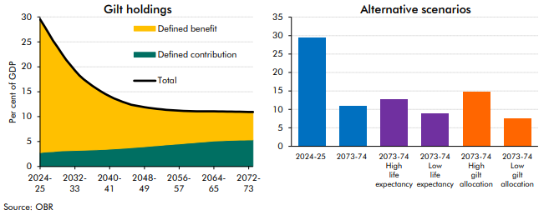

 | Gilt holdings | 2024-25 | 2025-26 | 2026-27 | 2027-28 | 2028-29 | 2029-30 | 2030-31 | 2031-32 | 2032-33 | 2033-34 | 2034-35 | 2035-36 | 2036-37 | 2037-38 | 2038-39 | 2039-40 | 2040-41 | 2041-42 | 2042-43 | 2043-44 | 2044-45 | 2045-46 | 2046-47 | 2047-48 | 2048-49 | 2049-50 | 2050-51 | 2051-52 | 2052-53 | 2053-54 | 2054-55 | 2055-56 | 2056-57 | 2057-58 | 2058-59 | 2059-60 | 2060-61 | 2061-62 | 2062-63 | 2063-64 | 2064-65 | 2065-66 | 2066-67 | 2067-68 | 2068-69 | 2069-70 | 2070-71 | 2071-72 | 2072-73 | 2073-74
 | Defined contribution | 2.8 | 2.9 | 2.9 | 3.0 | 3.1 | 3.1 | 3.2 | 3.2 | 3.2 | 3.2 | 3.3 | 3.3 | 3.3 | 3.4 | 3.4 | 3.4 | 3.5 | 3.5 | 3.6 | 3.6 | 3.7 | 3.8 | 3.8 | 3.9 | 4.0 | 4.0 | 4.1 | 4.2 | 4.3 | 4.3 | 4.4 | 4.5 | 4.5 | 4.6 | 4.7 | 4.8 | 4.8 | 4.9 | 5.0 | 5.0 | 5.1 | 5.1 | 5.2 | 5.2 | 5.2 | 5.3 | 5.3 | 5.3 | 5.3 | 5.3
 | Defined benefit | 26.7 | 25.3 | 23.7 | 22.2 | 20.9 | 19.5 | 18.2 | 17.1 | 16.1 | 15.1 | 14.3 | 13.5 | 12.9 | 12.3 | 11.7 | 11.1 | 10.6 | 10.1 | 9.7 | 9.3 | 9.0 | 8.6 | 8.4 | 8.1 | 7.9 | 7.7 | 7.5 | 7.4 | 7.2 | 7.0 | 6.9 | 6.8 | 6.7 | 6.5 | 6.4 | 6.3 | 6.2 | 6.2 | 6.1 | 6.0 | 6.0 | 5.9 | 5.8 | 5.8 | 5.8 | 5.7 | 5.7 | 5.7 | 5.6 | 5.6
 | Total | 29.5 | 28.2 | 26.7 | 25.2 | 24.0 | 22.6 | 21.4 | 20.3 | 19.3 | 18.3 | 17.5 | 16.8 | 16.2 | 15.6 | 15.1 | 14.5 | 14.1 | 13.7 | 13.3 | 13.0 | 12.7 | 12.4 | 12.2 | 12.1 | 11.9 | 11.8 | 11.7 | 11.6 | 11.5 | 11.4 | 11.3 | 11.2 | 11.2 | 11.2 | 11.1 | 11.1 | 11.1 | 11.1 | 11.1 | 11.1 | 11.1 | 11.1 | 11.0 | 11.0 | 11.0 | 11.0 | 11.0 | 11.0 | 10.9 | 10.9

 | Alternative scenarios
 | Central 2024-25 | 29.5
 | Central 2073-74 | 10.9
 | High life expectancy 2073-74 | 12.8
 | Low life expectancy 2073-74 | 8.9
 | Higher gilt allocation 2073-74 | 14.8
 | Lower gilt allocation 2073-74 | 7.5

F 1.1
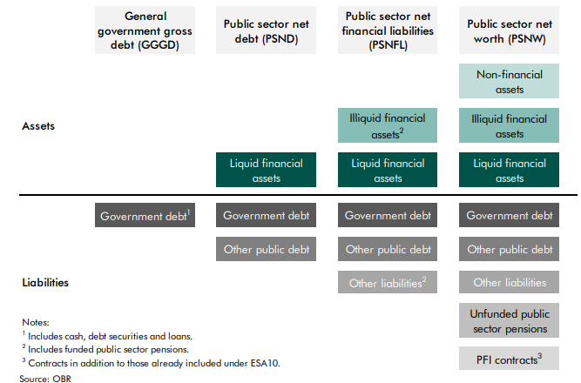
Back to contents
 | Figure 1.1: Comparison of public sector balance sheet aggregates

C1.5
Back to contents
 | Chart 1.5: Assets and liabilities within PSNFL
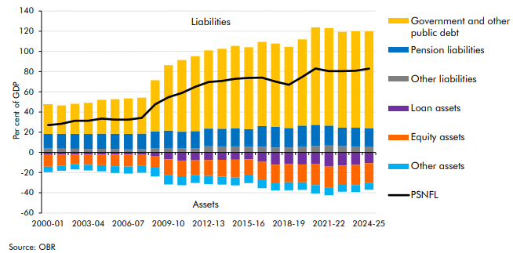

 |  | Government and other public debt | Pension liabilities | Other liabilities | Loan assets | Equity assets | Other assets | PSNFL
 | 2000-01 | 28.3 | 14.4 | 3.9 | -1.9 | -12.3 | -5.5 | 26.9
 | 2001-02 | 28.1 | 14.8 | 3.7 | -2.1 | -10.9 | -5.2 | 28.4
 | 2002-03 | 29.8 | 14.8 | 3.5 | -2.2 | -9.5 | -5.1 | 31.3
 | 2003-04 | 30.9 | 14.9 | 3.3 | -2.2 | -10.0 | -5.6 | 31.3
 | 2004-05 | 33.5 | 15.2 | 3.5 | -2.2 | -10.4 | -6.1 | 33.4
 | 2005-06 | 34.3 | 15.1 | 3.3 | -2.2 | -11.5 | -6.6 | 32.4
 | 2006-07 | 35.1 | 15.3 | 3.0 | -2.2 | -11.9 | -6.9 | 32.5
 | 2007-08 | 35.6 | 15.5 | 3.2 | -2.3 | -11.1 | -6.7 | 34.2
 | 2008-09 | 50.6 | 17.0 | 3.9 | -3.9 | -11.2 | -8.8 | 47.5
 | 2009-10 | 64.7 | 17.2 | 4.4 | -6.7 | -15.6 | -9.5 | 54.6
 | 2010-11 | 70.9 | 16.4 | 4.2 | -8.1 | -15.5 | -8.9 | 58.9
 | 2011-12 | 74.3 | 17.1 | 3.9 | -7.8 | -14.5 | -8.0 | 65.0
 | 2012-13 | 77.5 | 17.5 | 6.1 | -7.6 | -15.7 | -8.0 | 69.7
 | 2013-14 | 79.2 | 17.5 | 5.9 | -7.4 | -16.7 | -7.8 | 70.7
 | 2014-15 | 81.6 | 18.0 | 5.9 | -7.3 | -17.7 | -7.7 | 72.9
 | 2015-16 | 81.1 | 17.3 | 5.7 | -6.7 | -16.1 | -7.5 | 73.8
 | 2016-17 | 83.3 | 20.7 | 5.5 | -9.4 | -18.1 | -8.0 | 74.0
 | 2017-18 | 82.3 | 20.7 | 4.9 | -12.1 | -17.7 | -7.8 | 70.1
 | 2018-19 | 80.2 | 19.2 | 5.0 | -11.7 | -18.0 | -7.8 | 66.9
 | 2019-20 | 85.4 | 21.0 | 5.5 | -11.9 | -17.8 | -7.5 | 74.8
 | 2020-21 | 96.6 | 21.1 | 6.2 | -11.7 | -20.8 | -8.3 | 83.1
 | 2021-22 | 96.4 | 19.8 | 6.8 | -14.1 | -21.0 | -7.4 | 80.4
 | 2022-23 | 94.8 | 18.4 | 6.2 | -12.9 | -19.3 | -6.8 | 80.4
 | 2023-24 | 95.6 | 18.7 | 5.7 | -12.4 | -20.0 | -6.7 | 80.8
 | 2024-25 | 95.8 | 18.8 | 5.3 | -10.6 | -19.7 | -6.6 | 82.9

C1.6
Back to contents
 | Chart 1.6: Year-on-year changes in PSNFL by assets and liabilities
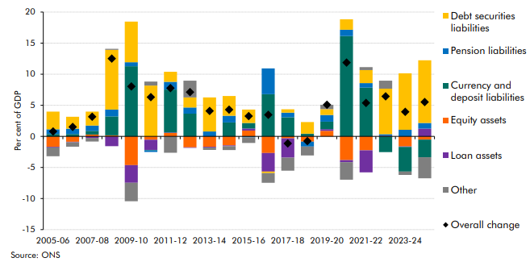

 |  | 2005-06 | 2006-07 | 2007-08 | 2008-09 | 2009-10 | 2010-11 | 2011-12 | 2012-13 | 2013-14 | 2014-15 | 2015-16 | 2016-17 | 2017-18 | 2018-19 | 2019-20 | 2020-21 | 2021-22 | 2022-23 | 2023-24 | 2024-25
 | Debt securities liabilities | 2.8 | 1.9 | 2.2 | 9.6 | 6.5 | 8.2 | 1.6 | 1.6 | 5.5 | 3.2 | 2.2 | -0.2 | 0.5 | 1.9 | 0.9 | 1.7 | 2.1 | 7.3 | 9.1 | 10.1
 | Pension liabilities | 0.8 | 0.9 | 0.8 | 1.1 | 0.6 | -0.2 | 1.3 | 1.0 | 0.8 | 1.1 | -0.1 | 4.1 | 0.7 | -0.8 | 1.1 | 1.0 | 0.7 | 0.2 | 1.1 | 0.9
 | Currency and deposit liabilities | 0.4 | 0.4 | 0.6 | 3.1 | 11.3 | -0.1 | 6.9 | 3.7 | 0.0 | 2.2 | 0.9 | 6.8 | 3.1 | 0.4 | 1.2 | 16.1 | 7.8 | -2.5 | -4.0 | -2.8
 | Equity assets | -1.7 | -0.9 | 0.3 | 0.2 | -4.6 | -0.5 | 0.6 | -1.8 | -1.7 | -1.5 | 0.9 | -2.7 | -0.3 | -0.8 | 0.9 | -3.8 | -2.2 | 0.0 | -1.6 | -0.5
 | Loan assets | -0.1 | -0.1 | -0.2 | -1.6 | -2.9 | -1.6 | 0.1 | -0.1 | -0.1 | -0.1 | 0.3 | -3.0 | -3.1 | 0.0 | 0.3 | -0.3 | -3.5 | 0.1 | -0.1 | 1.2
 | Other | -1.4 | -0.7 | -0.6 | 0.2 | -3.0 | 0.7 | -2.6 | 2.7 | -0.4 | -0.6 | -0.9 | -1.6 | -2.1 | -1.4 | 0.7 | -2.8 | 0.5 | 1.3 | -0.5 | -3.4
 | Overall change | 0.8 | 1.5 | 3.2 | 12.5 | 8.0 | 6.3 | 7.8 | 7.1 | 4.1 | 4.3 | 3.3 | 3.5 | -1.1 | -0.8 | 5.1 | 11.9 | 5.4 | 6.4 | 3.9 | 5.5

C1.7
Back to contents
 | Chart 1.7: Public sector net financial liabilities: sensitivity to shocks
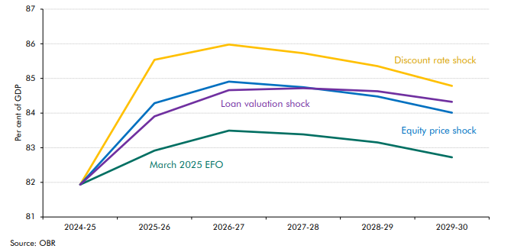

 |  | 2024-25 | 2025-26 | 2026-27 | 2027-28 | 2028-29 | 2029-30
 | March 2025 EFO | 81.9 | 82.9 | 83.5 | 83.4 | 83.2 | 82.7
 | Discount rate shock | 81.9 | 85.5 | 86.0 | 85.7 | 85.4 | 84.8
 | Equity price shock | 81.9 | 84.3 | 84.9 | 84.7 | 84.5 | 84.0
 | Loan valuation shock | 81.9 | 83.9 | 84.7 | 84.7 | 84.6 | 84.3

C1.8
Back to contents
 | Chart 1.8: Global climate change indicators and climate-related damages

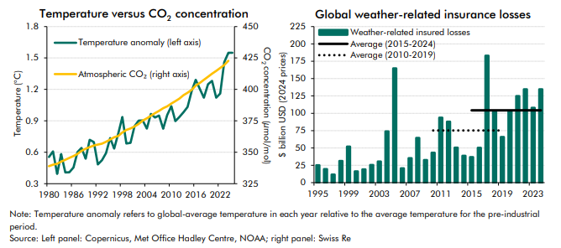

 | Temperature vs CO2 concentration | 1980 | 1981 | 1982 | 1983 | 1984 | 1985 | 1986 | 1987 | 1988 | 1989 | 1990 | 1991 | 1992 | 1993 | 1994 | 1995 | 1996 | 1997 | 1998 | 1999 | 2000 | 2001 | 2002 | 2003 | 2004 | 2005 | 2006 | 2007 | 2008 | 2009 | 2010 | 2011 | 2012 | 2013 | 2014 | 2015 | 2016 | 2017 | 2018 | 2019 | 2020 | 2021 | 2022 | 2023 | 2024 | 2025
 | Temperature anomaly (left axis) | 0.6 | 0.6 | 0.4 | 0.6 | 0.4 | 0.4 | 0.5 | 0.6 | 0.6 | 0.5 | 0.7 | 0.7 | 0.5 | 0.5 | 0.6 | 0.7 | 0.6 | 0.8 | 0.9 | 0.7 | 0.7 | 0.8 | 0.9 | 0.9 | 0.8 | 1.0 | 0.9 | 1.0 | 0.8 | 1.0 | 1.0 | 0.9 | 0.9 | 1.0 | 1.0 | 1.2 | 1.3 | 1.2 | 1.1 | 1.3 | 1.3 | 1.1 | 1.2 | 1.5 | 1.6 | 1.5
 | Atmospheric CO2 (right axis) | 338.9 | 340.1 | 340.9 | 342.5 | 344.1 | 345.5 | 347.0 | 348.7 | 351.2 | 352.8 | 354.1 | 355.4 | 356.1 | 356.8 | 358.3 | 360.2 | 361.9 | 363.1 | 365.7 | 367.8 | 369.0 | 370.6 | 372.6 | 375.2 | 377.0 | 379.0 | 381.2 | 382.9 | 385.0 | 386.5 | 388.8 | 390.6 | 392.7 | 395.4 | 397.3 | 399.7 | 403.1 | 405.2 | 407.6 | 410.1 | 412.4 | 414.7 | 417.1 | 419.4 | 422.8

 | Global weather-insured losses | 1995 | 1996 | 1997 | 1998 | 1999 | 2000 | 2001 | 2002 | 2003 | 2004 | 2005 | 2006 | 2007 | 2008 | 2009 | 2010 | 2011 | 2012 | 2013 | 2014 | 2015 | 2016 | 2017 | 2018 | 2019 | 2020 | 2021 | 2022 | 2023 | 2024
 | Weather-related insured losses | 25.2 | 19.6 | 11.7 | 31.3 | 51.9 | 16.3 | 19.2 | 25.6 | 30.5 | 73.9 | 164.8 | 20.6 | 35.4 | 64.6 | 32.7 | 43.2 | 93.7 | 87.9 | 50.5 | 38.7 | 36.8 | 50.3 | 183.0 | 102.2 | 65.8 | 102.6 | 124.7 | 134.6 | 107.9 | 134.6
 | Average (2015-2024) |  |  |  |  |  |  |  |  |  |  |  |  |  |  |  |  |  |  |  |  | 104.3 | 104.3 | 104.3 | 104.3 | 104.3 | 104.3 | 104.3 | 104.3 | 104.3 | 104.3
 | Average (2010-2019) |  |  |  |  |  |  |  |  |  |  |  |  |  |  |  | 75.2 | 75.2 | 75.2 | 75.2 | 75.2 | 75.2 | 75.2 | 75.2 | 75.2 | 75.2

C1.9
Back to contents
 | Chart 1.9: Impact on GDP and public government borrowing of climate change damage

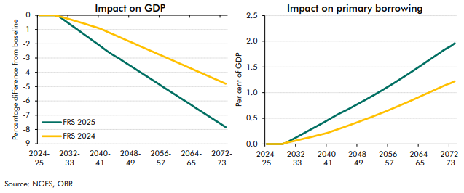

 | Impact on GDP | 2024-25 | 2025-26 | 2026-27 | 2027-28 | 2028-29 | 2029-30 | 2030-31 | 2031-32 | 2032-33 | 2033-34 | 2034-35 | 2035-36 | 2036-37 | 2037-38 | 2038-39 | 2039-40 | 2040-41 | 2041-42 | 2042-43 | 2043-44 | 2044-45 | 2045-46 | 2046-47 | 2047-48 | 2048-49 | 2049-50 | 2050-51 | 2051-52 | 2052-53 | 2053-54 | 2054-55 | 2055-56 | 2056-57 | 2057-58 | 2058-59 | 2059-60 | 2060-61 | 2061-62 | 2062-63 | 2063-64 | 2064-65 | 2065-66 | 2066-67 | 2067-68 | 2068-69 | 2069-70 | 2070-71 | 2071-72 | 2072-73 | 2073-74
 | FRS 2025 | 0.0 | 0.0 | 0.0 | 0.0 | 0.0 | 0.0 | -0.2 | -0.4 | -0.6 | -0.8 | -1.0 | -1.2 | -1.4 | -1.6 | -1.8 | -2.0 | -2.2 | -2.3 | -2.5 | -2.7 | -2.9 | -3.0 | -3.2 | -3.4 | -3.6 | -3.7 | -3.9 | -4.1 | -4.2 | -4.4 | -4.6 | -4.8 | -4.9 | -5.1 | -5.3 | -5.4 | -5.6 | -5.8 | -6.0 | -6.1 | -6.3 | -6.5 | -6.6 | -6.8 | -7.0 | -7.2 | -7.3 | -7.5 | -7.7 | -7.8
 | FRS 2024 | 0.0 | 0.0 | 0.0 | 0.0 | 0.0 | -0.1 | -0.1 | -0.2 | -0.3 | -0.4 | -0.4 | -0.5 | -0.6 | -0.7 | -0.8 | -0.8 | -0.9 | -1.1 | -1.2 | -1.3 | -1.4 | -1.5 | -1.6 | -1.8 | -1.9 | -2.0 | -2.1 | -2.2 | -2.3 | -2.5 | -2.6 | -2.7 | -2.8 | -2.9 | -3.0 | -3.2 | -3.3 | -3.4 | -3.5 | -3.6 | -3.7 | -3.9 | -4.0 | -4.1 | -4.2 | -4.3 | -4.4 | -4.6 | -4.7 | -4.8

 | Impact on primary borrowing | 2024-25 | 2025-26 | 2026-27 | 2027-28 | 2028-29 | 2029-30 | 2030-31 | 2031-32 | 2032-33 | 2033-34 | 2034-35 | 2035-36 | 2036-37 | 2037-38 | 2038-39 | 2039-40 | 2040-41 | 2041-42 | 2042-43 | 2043-44 | 2044-45 | 2045-46 | 2046-47 | 2047-48 | 2048-49 | 2049-50 | 2050-51 | 2051-52 | 2052-53 | 2053-54 | 2054-55 | 2055-56 | 2056-57 | 2057-58 | 2058-59 | 2059-60 | 2060-61 | 2061-62 | 2062-63 | 2063-64 | 2064-65 | 2065-66 | 2066-67 | 2067-68 | 2068-69 | 2069-70 | 2070-71 | 2071-72 | 2072-73 | 2073-74
 | FRS 2025 | 0.0 | 0.0 | 0.0 | 0.0 | 0.0 | 0.0 | 0.1 | 0.1 | 0.1 | 0.2 | 0.2 | 0.3 | 0.3 | 0.3 | 0.4 | 0.4 | 0.5 | 0.5 | 0.6 | 0.6 | 0.6 | 0.7 | 0.7 | 0.7 | 0.8 | 0.8 | 0.9 | 0.9 | 1.0 | 1.0 | 1.0 | 1.1 | 1.1 | 1.2 | 1.2 | 1.3 | 1.3 | 1.4 | 1.4 | 1.5 | 1.5 | 1.6 | 1.6 | 1.7 | 1.7 | 1.8 | 1.8 | 1.9 | 1.9 | 2.0
 | FRS 2024 | 0.0 | 0.0 | 0.0 | 0.0 | 0.0 | 0.0 | 0.0 | 0.1 | 0.1 | 0.1 | 0.1 | 0.1 | 0.1 | 0.2 | 0.2 | 0.2 | 0.2 | 0.2 | 0.3 | 0.3 | 0.3 | 0.4 | 0.4 | 0.4 | 0.4 | 0.5 | 0.5 | 0.5 | 0.5 | 0.6 | 0.6 | 0.6 | 0.7 | 0.7 | 0.7 | 0.8 | 0.8 | 0.8 | 0.9 | 0.9 | 0.9 | 1.0 | 1.0 | 1.0 | 1.1 | 1.1 | 1.1 | 1.2 | 1.2 | 1.2

C1.10
Back to contents
 | Chart 1.10: Annual fiscal costs of the net zero transition

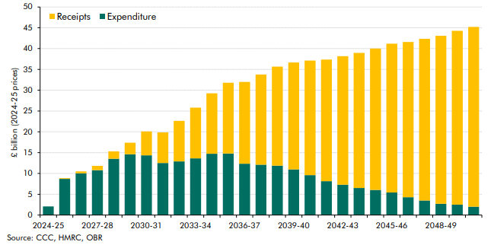

 | Annual costs | 2024-25 | 2025-26 | 2026-27 | 2027-28 | 2028-29 | 2029-30 | 2030-31 | 2031-32 | 2032-33 | 2033-34 | 2034-35 | 2035-36 | 2036-37 | 2037-38 | 2038-39 | 2039-40 | 2040-41 | 2041-42 | 2042-43 | 2043-44 | 2044-45 | 2045-46 | 2046-47 | 2047-48 | 2048-49 | 2049-50 | 2050-51
 | Expenditure | 2 | 9 | 10 | 11 | 14 | 15 | 14 | 13 | 13 | 14 | 15 | 15 | 12 | 12 | 12 | 11 | 10 | 8 | 7 | 7 | 6 | 5 | 4 | 4 | 3 | 3 | 2
 | Receipts | 0 | 0 | 0 | 1 | 2 | 3 | 6 | 7 | 10 | 12 | 15 | 17 | 20 | 22 | 24 | 26 | 28 | 29 | 31 | 32 | 34 | 36 | 37 | 39 | 40 | 42 | 43

C1.11
Back to contents
 | Chart 1.11: Climate change scenarios: PSND differences from baseline in 2073-74

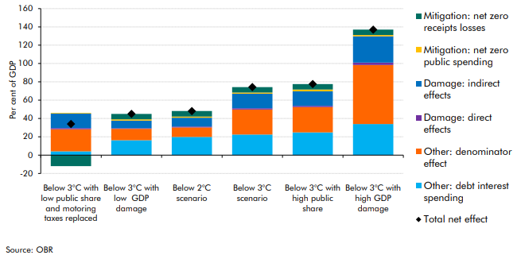

 |  | Below 3°C with low public share and motoring taxes replaced | Below 3°C with low GDP damage | Below 2°C scenario | Below 3°C scenario | Below 3°C with high public share | Below 3°C with high GDP damage
 | Total net effect | 34 | 45 | 48 | 74 | 78 | 137
 | Other: denominator effect | 24 | 13 | 10 | 27 | 28 | 64
 | Mitigation: net zero receipts losses | -12 | 6 | 6 | 6 | 6 | 6
 | Mitigation: net zero public spending | 1 | 1 | 1 | 1 | 2 | 1
 | Damage: direct effects | 1 | 1 | 1 | 1 | 1 | 3
 | Damage: indirect effects | 16 | 8 | 10 | 16 | 16 | 29
 | Other: debt interest spending | 4 | 16 | 20 | 22 | 25 | 34

